cogen and WHR + eqpt stds
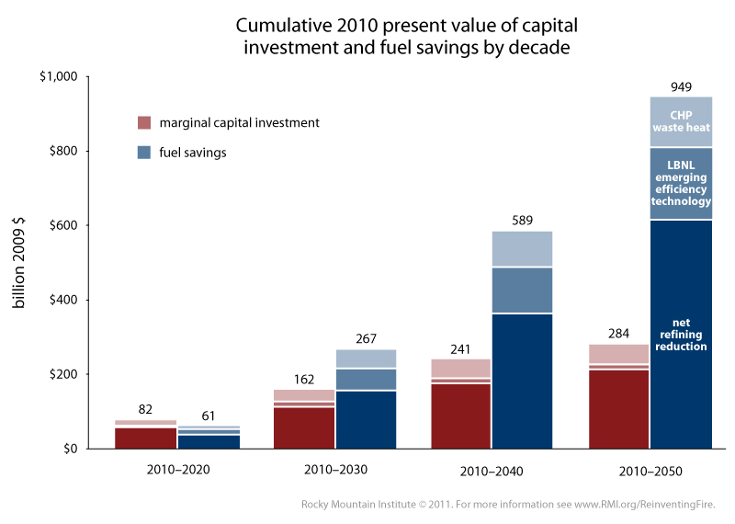
Cogeneration and Waste Heat Recovery, Equipment Efficiency Standards

Annual energy savings achievable in 2050 (BTU)
CHP & waste heat | 2.4E+15
efficiency technology | 2.3E+15

Total investment cost to achieve those annual savings in 2050
The graph used appears below. To correspond to the total energy savings found above, we want to use the set of pink bars that
correspond to investment over the 2010-2050 period. We assume the key inside the rightmost blue bar applies to all bars, so
light pink corresponds to CHP Waste Heat and midtone pink corresponds to efficiency technology.
Since RMI only provides a numerical value for the hight of the complete pink bar, not values for each of the three shades of
pink that compose it, we muse use pixel-based measurement to obtain our data from the graph.

Note on pixel measurement of this bar graph:
RMI's graph was made in Excel. For this type of graph (namely, white lines separating stacked bars),
Excel replaces an equal number of rows of colored pixels
with white pixels from the upper and lower bar segments at each junction, with an extra row of the bottom bar at each junction replaced if there
are an odd number of lines of white pixel rows to be applied (which is based on zoom level and graph settings). The top of the uppermost bar
segment is covered with the same number of rows of white pixels as the top of any other bar segment (half of a gap, rounding up).
Therefore, to correctly measure any bar segment except the bottom one, you can measure the colored part plus one complete white gap
between bar segments. To correctly measure the bottom bar segment, include only half of one white gap, rounding up.

Cumulative Cost of Upgrades (2009 $)
 | 2010-2050, total (pixels) | 2010-2050, this policy (pixels) | Investment, total (2009 $) | Investment, this policy (2009 $)
CHP & waste heat | 114 | 22 | 2.840E+11 | 5.481E+10
efficiency technology | 114 | 5 | 2.840E+11 | 1.246E+10

Cost per Unit Energy Saved Annually ($/BTU)
CHP & waste heat | 2.284E-05
efficiency technology | 5.416E-06

low temp fuel type shifting
Notes

Low temp fuel shifting is always electrification via heat pumps.

Heat pump efficiency varies with temperature increase. When increasing temperature to 100 C (from room temp), heat pump efficiency is often around 2.5 COP.
Assumed COP | 2.5

Source
Arpagaus, Cordin et al.
2018
High Temperature Heat Pumps: Market Overview, State of the Art, Research Status, Refrigerants, and Application Potentials
https://docs.lib.purdue.edu/cgi/viewcontent.cgi?article=2875&context=iracc

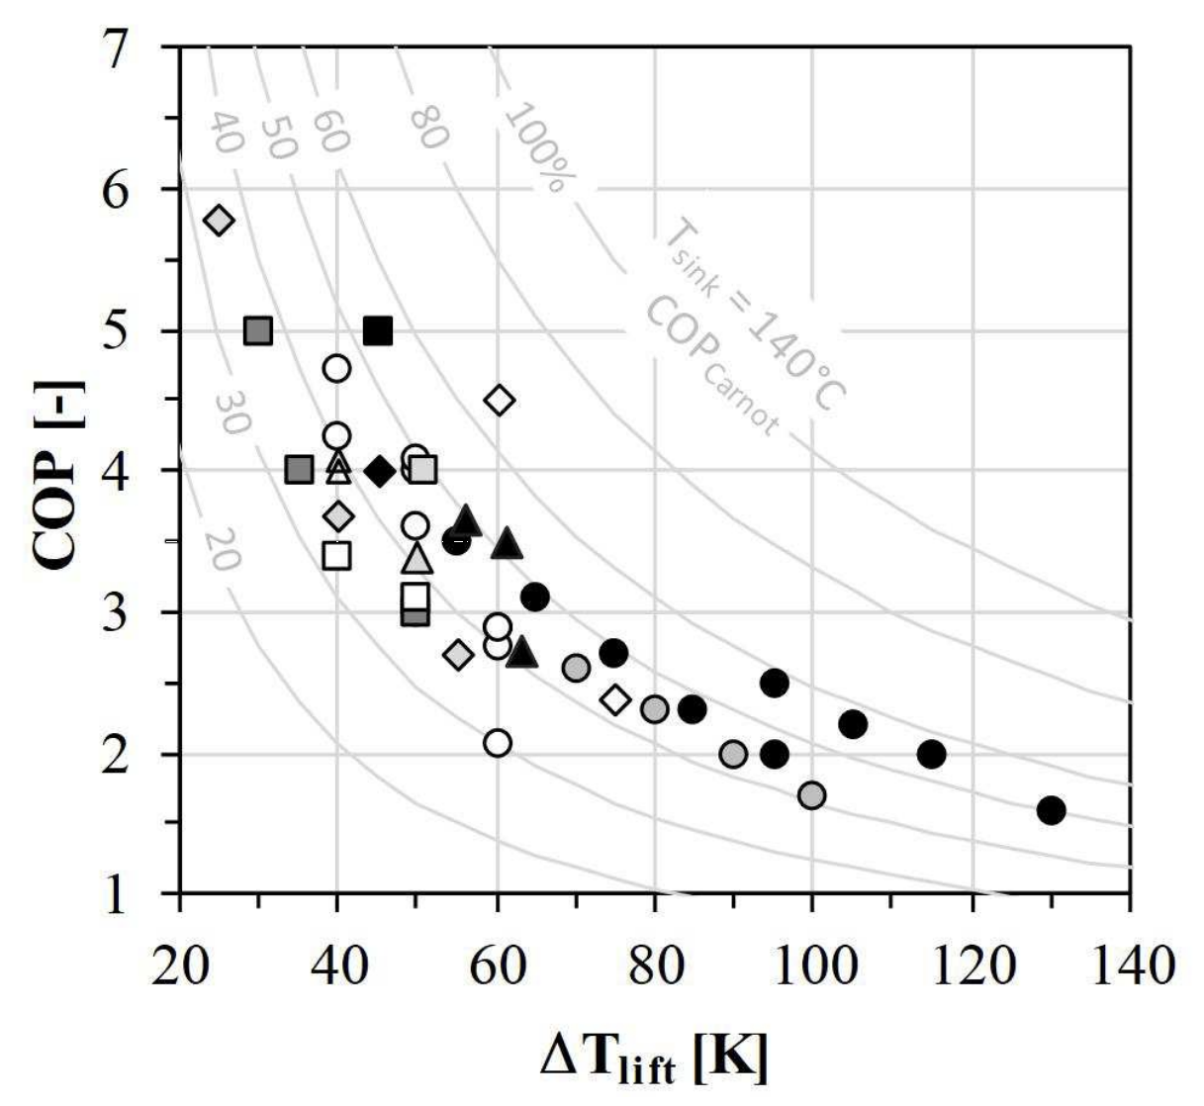
Temp Increase (°C) | COP
25 | 5.77
30 | 4.99
35 | 4.01
 | COP
25 | 5.77
30 | 4.99
35 | 4.01
40 | 4.71
40 | 4.25
40 | 4.05
40 | 3.95
40 | 3.66
40 | 3.39
45 | 4.98
45.2 | 3.99
50 | 4.1
50.8 | 4
50 | 4
50 | 3.6
50 | 3.35
50 | 3.1
50 | 2.98
55 | 3.5
55 | 2.7
56.4 | 3.6
60.2 | 4.5
60 | 2.89
60 | 2.75
60 | 2.06
63.2 | 2.69
61.4 | 3.45
65 | 3.1
70 | 2.6
75 | 2.7
75 | 2.37
80 | 2.3
84.7 | 2.3
90 | 1.98
95 | 2.48
95 | 1.98
100 | 1.69
105 | 2.19
115 | 1.98
130 | 1.58
40 | 4.71
40 | 4.25
40 | 4.05
40 | 3.95
40 | 3.66
40 | 3.39
45 | 4.98
45.2 | 3.99
50 | 4.1
50.8 | 4
50 | 4
50 | 3.6
50 | 3.35
50 | 3.1
50 | 2.98
55 | 3.5
55 | 2.7
56.4 | 3.6
60.2 | 4.5
60 | 2.89
60 | 2.75
60 | 2.06
63.2 | 2.69
61.4 | 3.45
65 | 3.1
70 | 2.6
75 | 2.7
75 | 2.37
80 | 2.3
84.7 | 2.3
90 | 1.98
95 | 2.48
95 | 1.98
100 | 1.69
105 | 2.19
Industrial Heat Pump Efficiency vs. Delivered Temperature Increase
 | COP
25 | 5.77
30 | 4.99
35 | 4.01
40 | 4.71
40 | 4.25
40 | 4.05
40 | 3.95
40 | 3.66
40 | 3.39
45 | 4.98
45.2 | 3.99
50 | 4.1
50.8 | 4
50 | 4
50 | 3.6
50 | 3.35
50 | 3.1
50 | 2.98
55 | 3.5
55 | 2.7
56.4 | 3.6
60.2 | 4.5
60 | 2.89
60 | 2.75
60 | 2.06
63.2 | 2.69
61.4 | 3.45
65 | 3.1
70 | 2.6
75 | 2.7
75 | 2.37
80 | 2.3
84.7 | 2.3
90 | 1.98
95 | 2.48
95 | 1.98
100 | 1.69
105 | 2.19
115 | 1.98
130 | 1.58
115 | 1.98
130 | 1.58

